W 5.0
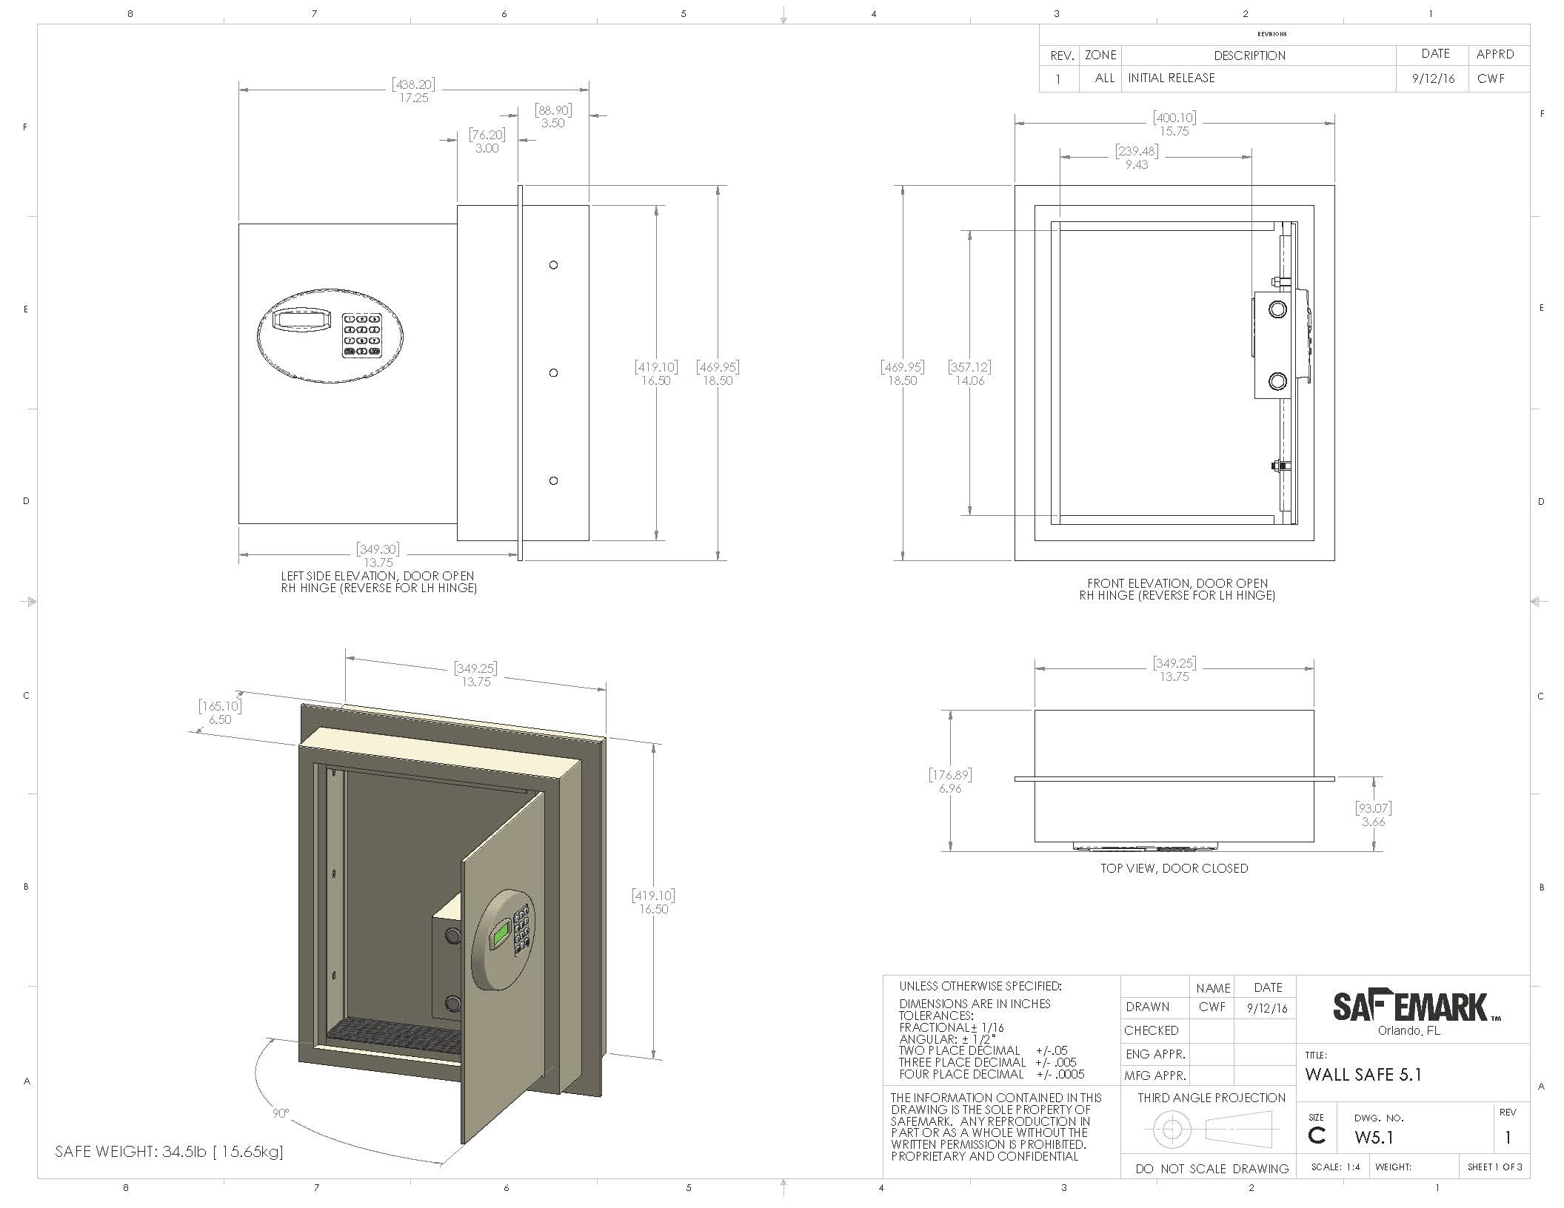
GUEST ROOM SAFE SPECIFICATION |  |  |  | W 5.0 (v02 - 12/19/17)

Project Name: |  |  | Specifier Name:
Project Number: |  |  | Address:
Issue Date: |  |  | City/State/Zip:
Revised Date: |  |  | Email:
Other: |  |  | Phone:

Manufacturer: | Safemark Systems |  | Source:
Address: | 2101 Park Center Dr. Suite 125 |  | Address:
City/State/Zip: | Orlando, FL 32835 |  | City/State/Zip:
Contact: |  |  | Contact:
Phone: | 800-255-8818/407-299-0044 |  | Phone:
Email: |  |  | Email:
Fax: | 407-299-7650 |  | Fax:
Website: | www.safemark.com |  | Website:

Notes to Purchaser | To Be Bid |  | Listed Manufacturer & Source are Preferred by the Interior Design Team

Description: | Guest Room Safe
Model Number: | W 5.0 In-Wall Safe
Model Type: | Accommodates 15" Laptop
Install Location:
Dimensions: | 16.5” (419.10mm) H x 13.75” (349.25mm) W x 6.96” (176.89mm) D* - Depth Includes Keypad
Dims w/Flange: | 18.5” (469.95mm) H x 15.75” (400.10mm) W x 6.96” (176.89mm) D* - Depth Includes Keypad
Weight: | 35.15 lbs. (15.94 kg)
Warranty: | Limited 5-year Manufacturer's Warranty and $10,000 Warranty Against Forced Entry
Finish/Color: | Black, White or Custom (Black Safes with Green LED; White Safes with Blue LED)
Construction: |  |  | Features:
Cold-Rolled Steel Door |  |  | Durable Emergency Handheld Override Device
13 Gauge Steel Body |  |  | Motorized Locking System
Two 3/4" (19mm) Diameter Steel Locking Bolts |  |  | Self Diagnostic System
Hidden Hinges |  |  | Quick Access Battery Panel
Scratch Resistant Powder Coat Finish |  |  | Low Battery Indicator (uses 4 AA Alkaline Batteries)
Recessed Door

Keypad/Display: |  |  | Model Options (specify on order):
Illuminated ADA Compliant Keypad |  |  | Concealed High Security Mechanical Override
Enhanced LED Display |  |  | Left/Right Hinging
Audio Visual Operating Signals |  |  | Tamper-proof Installation Hardware
Personalized Access via 4 Digit User Code

240 Audit Reporting to Retain the Following:
Time/Date of Each Safe Locking/Opening, Time/Date of Override Openings,
Full Identity (Full Name) of Authorized Staff Members Who Have Opened a Locked Safe,
Time/Date of Countdowns, Time/Date of Battery Replacement

GUEST ROOM SAFE SPECIFICATION |  |  |  | W 5.0 (v02 - 12/19/17)

Project Name: |  |  | Specifier Name:
Project Number: |  |  | Address:
Issue Date: |  |  | City/State/Zip:
Revised Date: |  |  | Email:
Other: |  |  | Phone:

Required Item(s) for Designer Approval |  |  | Sample | Shop Drawings

Additional Specifications:
1. Item and materials must be suitable for commercial use.
2. Manufacturer to provide detailed shop drawings to scale for all materials used.
3. Installation company to provide all required hardware.
4. Purchasing agent is responsible for determining all local regulations, practices and conditions.

Breakdown |  | Qty | Attic Stock | Total Quantity

Grand Total

Safemark's W 5.0
15" Laptop Safe
Side, Front and Open View

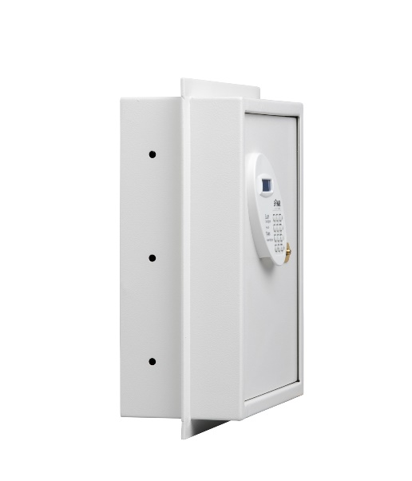
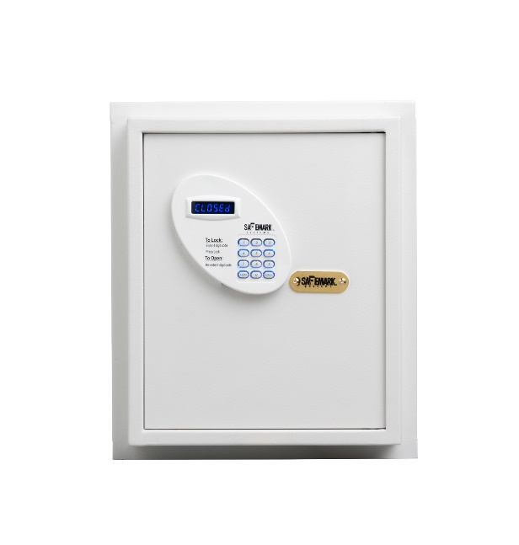
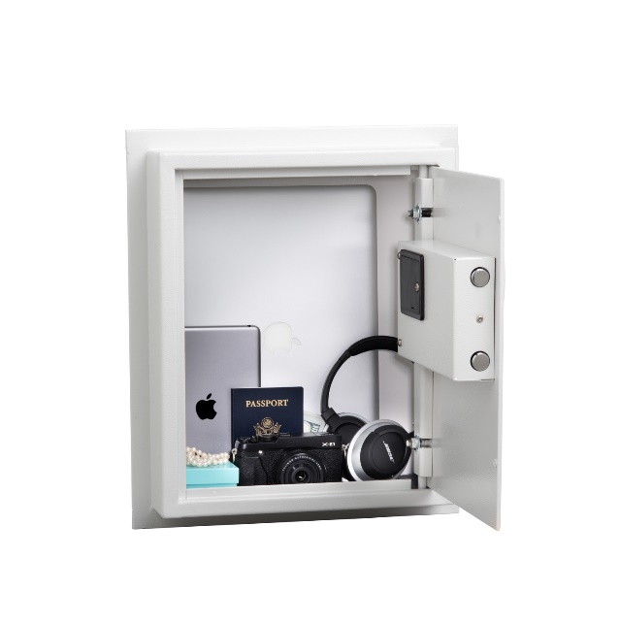

GUEST ROOM SAFE SPECIFICATION |  |  |  | W 5.0 (v02 - 12/19/17)

Project Name: |  |  | Specifier Name:
Project Number: |  |  | Address:
Issue Date: |  |  | City/State/Zip:
Revised Date: |  |  | Email:
Other: |  |  | Phone:

